Table 2
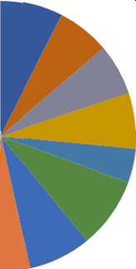
• Pft04686 Oona Oonan Female Business Development B 5004612 Mick Spraberry Femele Services

